UD Abdi Jaya (Bag, Cup, Box)
DATE | DATE | INV NO. | DESCRIPTIONS | QTY | PRICE | SUBTOTAL | TOTAL | BILLS | Rp14,318,000
2-Mar-2026 | 1-Apr-2026 | 2464/JL/UTM/0426 | PLASTIC TRASH BAG 90X100 50 PCS | 9 | Rp50,000 | Rp450,000 | Rp964,000 | 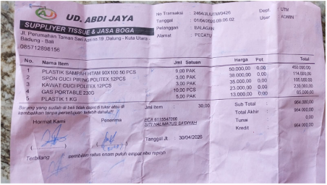
 |  |  | DISHWASHING SPONGE POLITEX 12 PCS | 3 | Rp38,000 | Rp114,000
 |  |  | DISHWASHING WIRE POLITEX 12 PCS | 3 | Rp35,000 | Rp105,000
 |  |  | PORTABLE GAS 230 G | 10 | Rp23,000 | Rp230,000
 |  |  | PLASTIC 1 KG | 5 | Rp13,000 | Rp65,000
2-Mar-2026 | 1-Apr-2026 | 2462/JL/UTM/0426 | BURGER BOX | 5 | Rp495,000 | Rp2,475,000 | Rp6,375,000 | 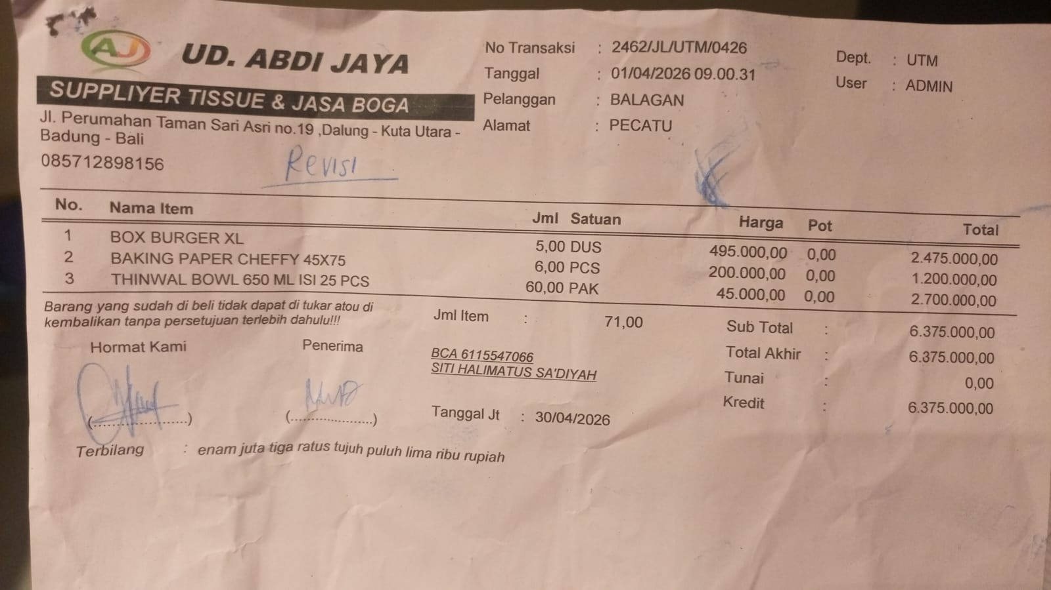
 |  |  | BAKING PAPER CHEFFY 45X75 | 6 | Rp200,000 | Rp1,200,000
 |  |  | THINWAL BOWL 650 ML @ 25 PCS | 60 | Rp45,000 | Rp2,700,000
 | 4-Apr-2026 | 2566/JL/UTM/0426 | POP UP PULPIES 150X60 | 1 | Rp215,000 | Rp215,000 | Rp510,000 | 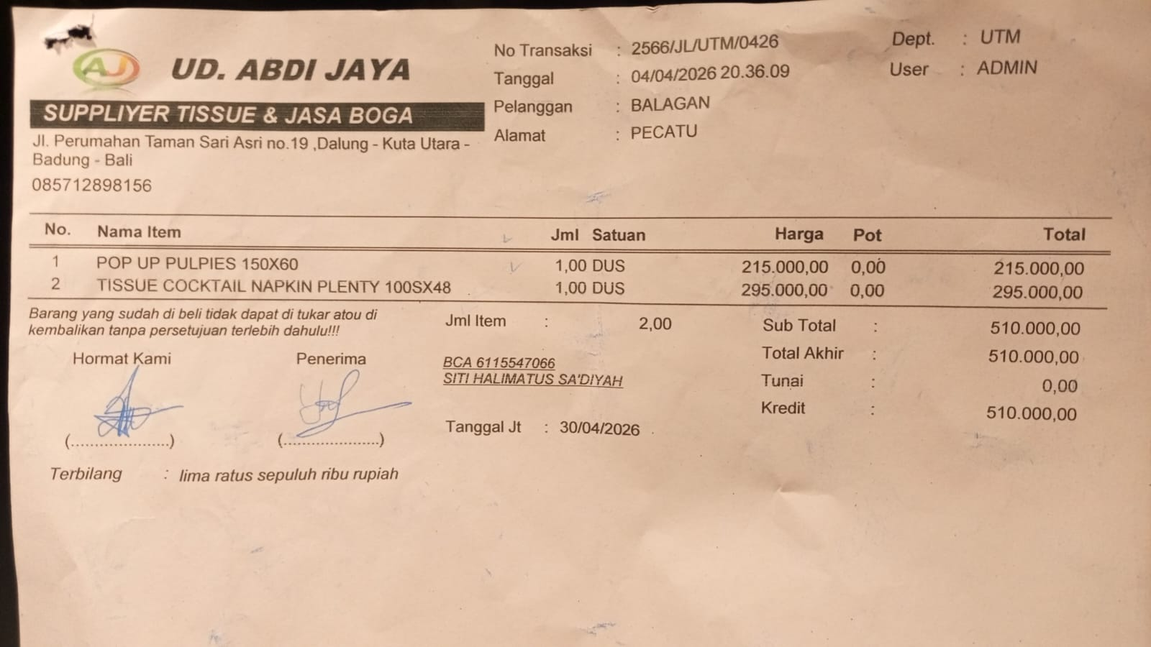
 |  |  | TISSUE COCKTAIL NAPKIN PLENT 100SX48 | 1 | Rp295,000 | Rp295,000
 | 10-Apr-2026 | 2767/JL/UTM/0426 | HAND GLOVE NITRIL 100 PCS (L) | 2 | Rp700,000 | Rp1,400,000 | Rp2,800,000 | 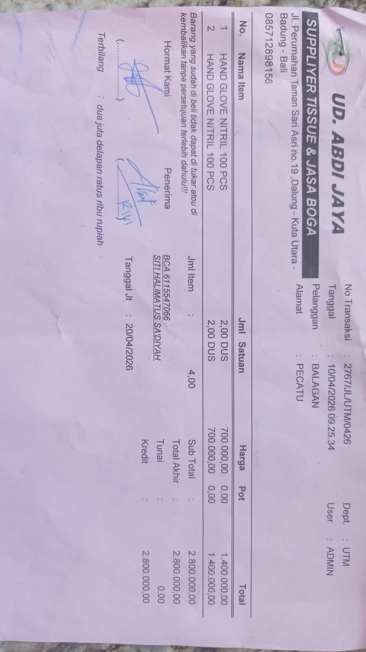
 |  |  | HAND GLOVE NITRIL 100 PCS (M) | 2 | Rp700,000 | Rp1,400,000
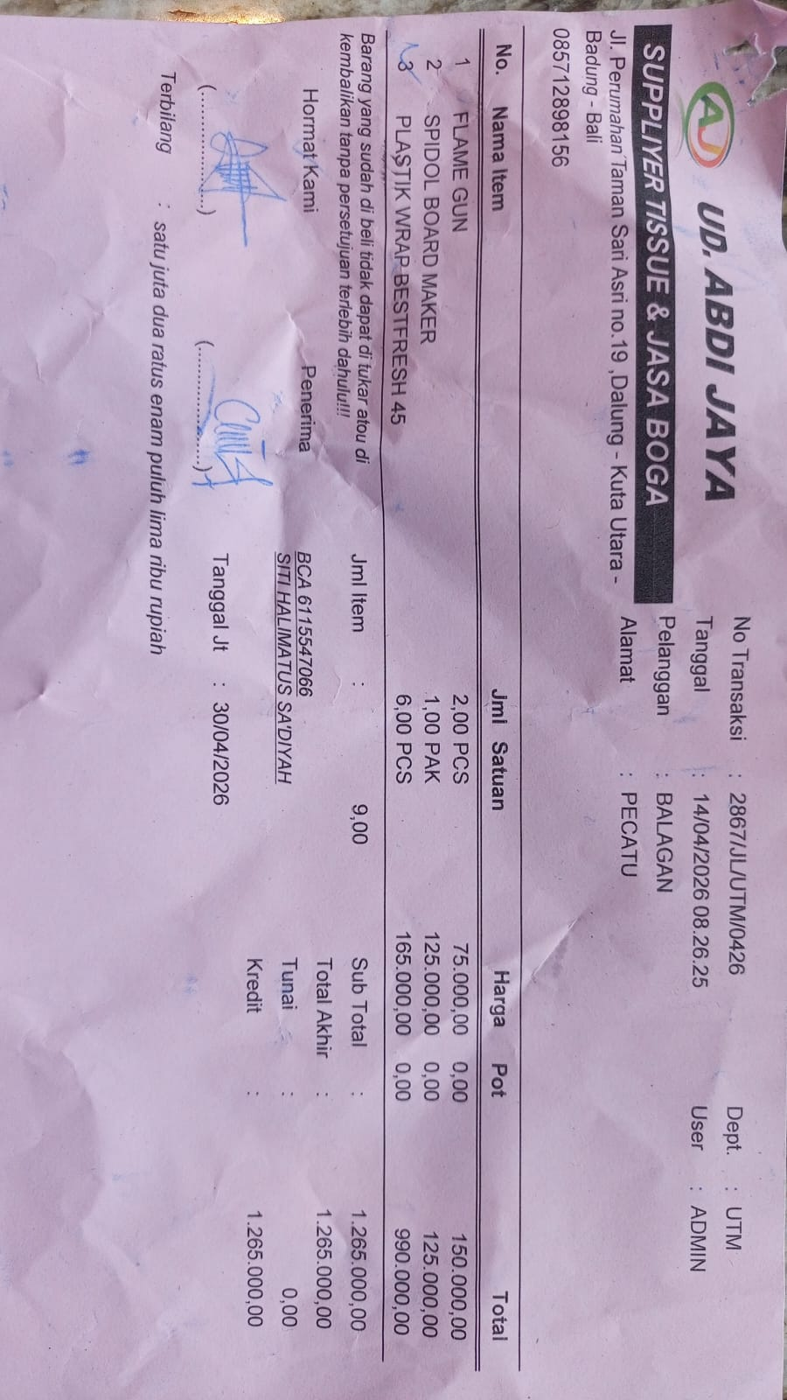
 | 14-Apr-2026 | 2867/JL/UTM/0426 | FLAME GUN | 2 | Rp75,000 | Rp150,000 | Rp1,265,000
 |  |  | SPIDOL WHITE BOARD MARKER | 1 | Rp125,000 | Rp125,000
 |  |  | PLACTIC WRAP BESTFRESH 45 | 6 | Rp165,000 | Rp990,000
 | 16-Apr-2026 | 2941/JL/UTM/0426 | MICROFIBER MOP | 10 | Rp25,000 | Rp250,000 | Rp250,000 | 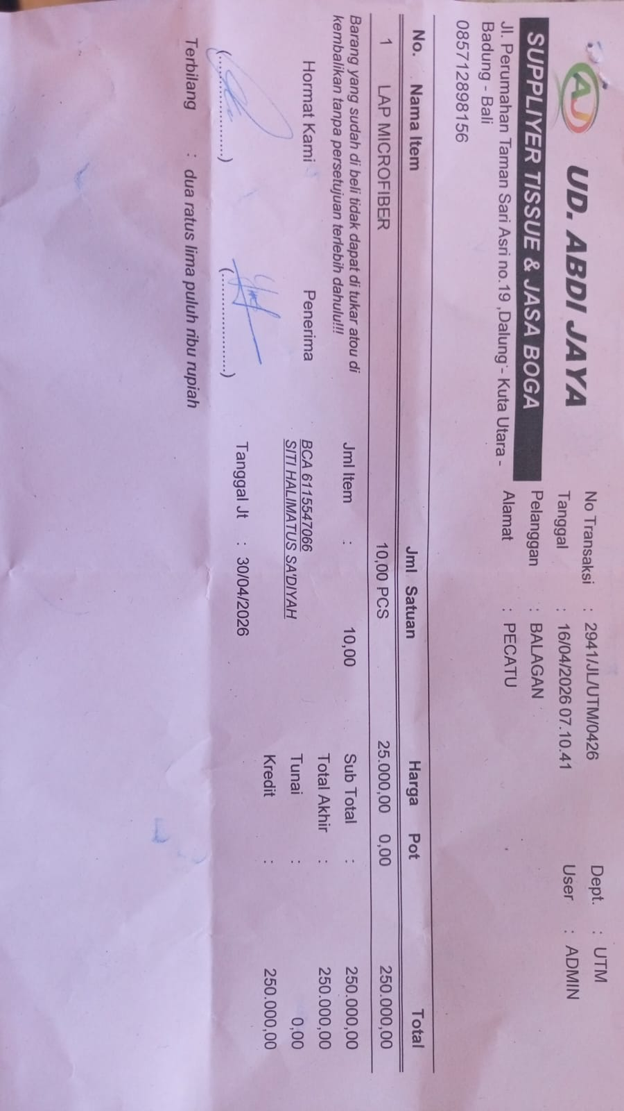
 | 16-Apr-2026 | 2947/JL/UTM/0426 | THINWAL BOWL 1000 ML @ 25 PCS | 11 | Rp85,000 | Rp935,000 | Rp935,000 | 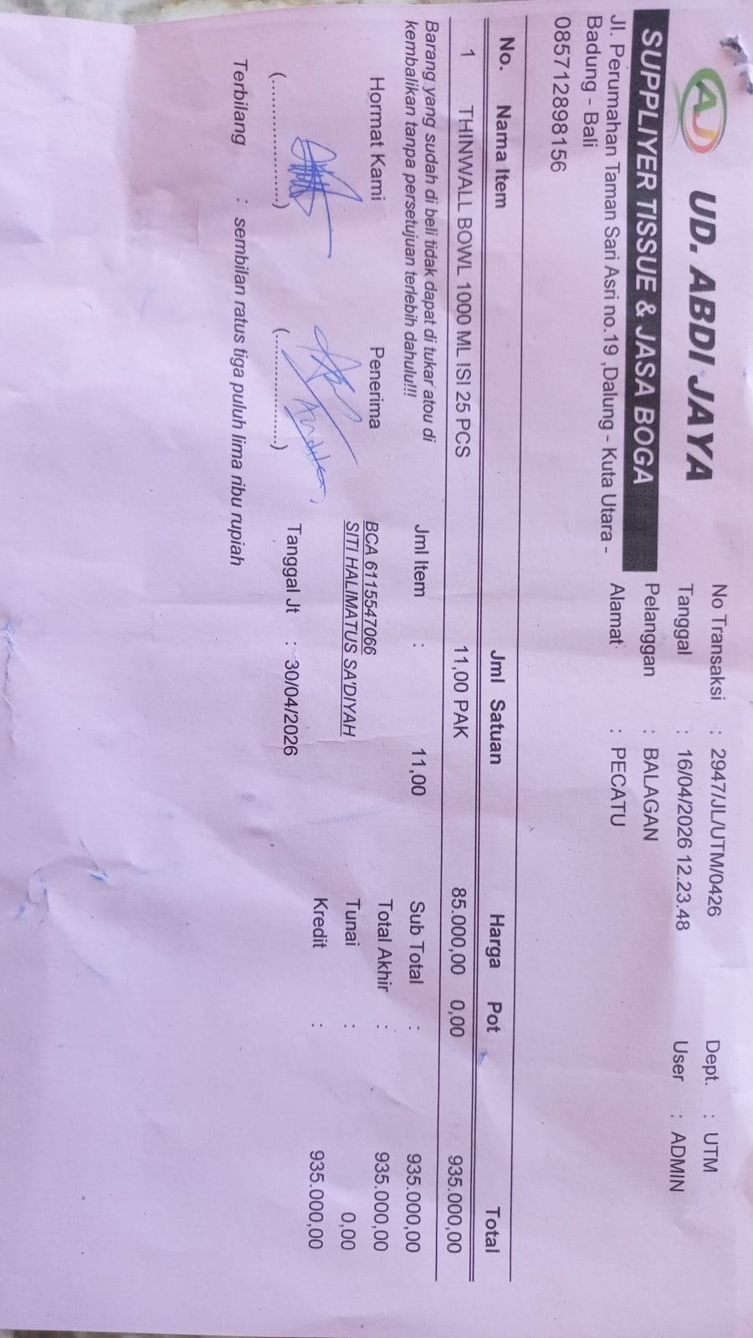
 | 20-Apr-2026 | 3038/JL/UTM/0426 | PLASTIC TRASH BAG 90X100 50 PCS | 9 | Rp70,000 | Rp630,000 | Rp1,219,000 | 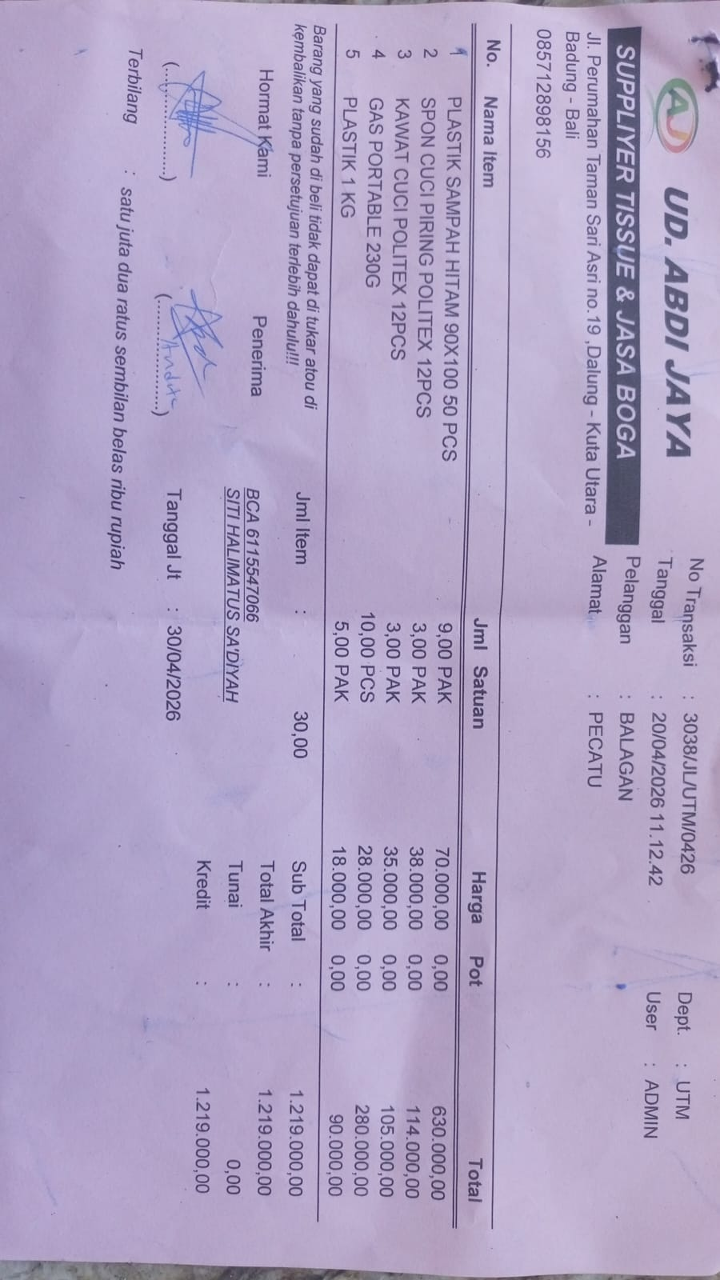
 |  |  | DISHWASHING SPONGE POLITEX 12 PCS | 3 | Rp38,000 | Rp114,000
 |  |  | DISHWASHING WIRE POLITEX 12 PCS | 3 | Rp35,000 | Rp105,000
 |  |  | PORTABLE GAS 230 G | 10 | Rp28,000 | Rp280,000
 |  |  | PLASTIC 1 KG | 5 | Rp18,000 | Rp90,000
 |  |  |  |  |  | Rp-
 |  |  |  |  |  | Rp-
 |  |  |  |  |  | Rp-
 |  |  | GRAND TOTAL |  |  | Rp14,318,000

PT. SUPARMA JAYA TBK (Tissue)
DATE | INV NO. | DESCRIPTIONS | AMOUNT | PRICE | TOTAL | BILLS | Rp808,447
10-Apr-2026 | SO05LC2604001419 | SEE-U HTM DE/ ECONO RED/ 20 PK FSC MIX 85% SUHT-046NN | 120 | Rp6,063.9600 | Rp727,675.20 | 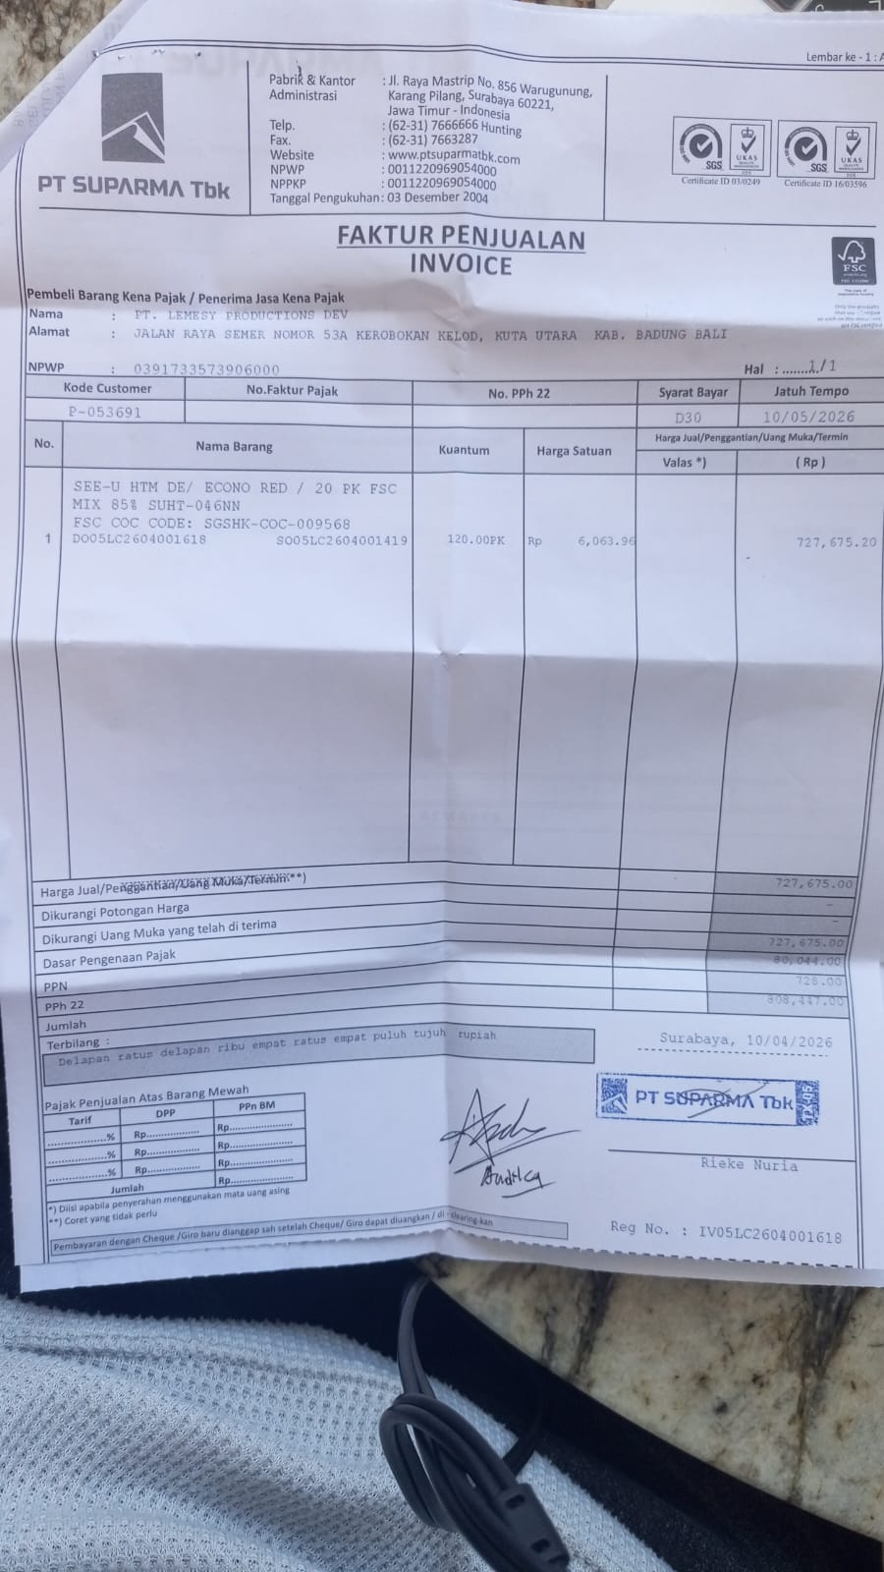

 | SALES PRICE |  |  |  | Rp727,675.20
 | PPN |  |  |  | Rp80,044.27
 | PPh 22 |  |  |  | Rp727.68
 | TOTAL |  |  |  | Rp808,447.15
 |  |  |  |  | Rp0.00
 | SALES PRICE |  |  |  | Rp0.00
 | PPN |  |  |  | Rp0.00
 | PPh 22 |  |  |  | Rp0.00
 | TOTAL |  |  |  | Rp0.00
GRAND TOTAL |  |  |  | Rp808,447

Dishy Soap
DATE | DESCRIPTION | QTY | PRICE | SUBTOTAL | TOTAL | BILLS | Rp1,375,000.00
1-Apr-2026 | DISHY 5 L DISHWASHER | 10 | Rp55,000.00 | Rp550,000.00 | Rp715,000.00 | 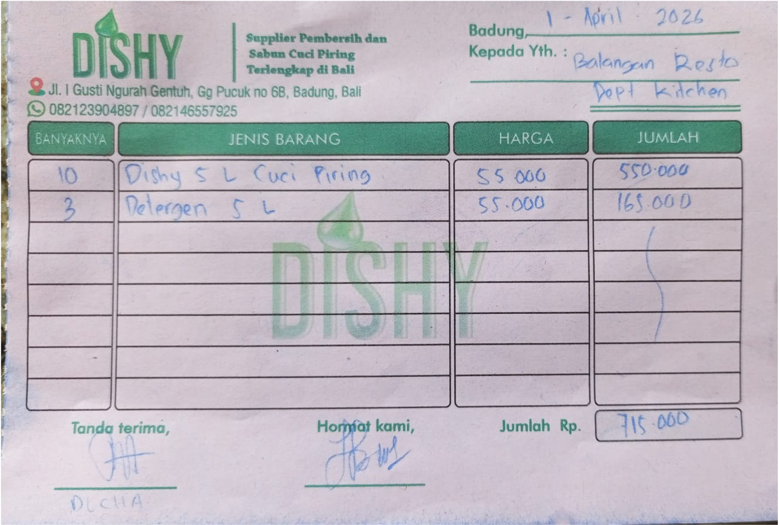
 | DISHY 5L DETERGENT | 3 | Rp55,000.00 | Rp165,000.00
17-Apr-2026 | DISHY 5 L DISHWASHER | 10 | Rp55,000.00 | Rp550,000.00 | Rp660,000.00 | 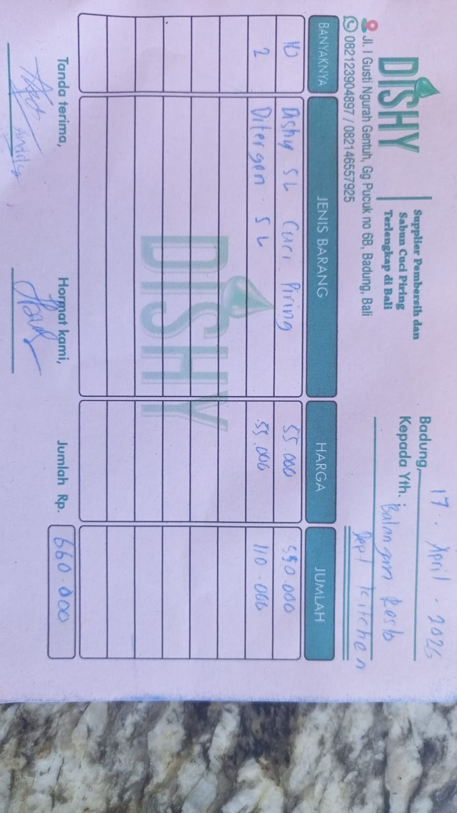
 | DISHY 5L DETERGENT | 2 | Rp55,000.00 | Rp110,000.00
 |  |  |  | Rp0.00
 |  |  |  | Rp0.00
 |  |  |  | Rp0.00
 |  |  |  | Rp0.00
 |  |  |  | Rp0.00
GRAND TOTAL |  |  | Rp1,375,000.00

